Start
Intro
 | There is a companion AI installer in |  |  | Also:
 |  | C:\Advanced Installer\Projects\Common\Custom Actions\CA-Test-Installers |  |  | on G:\SharedDrives\Tech\Advanced Installer\Testing
 |  |  | 3D-1901-Loud-RunCAs-ShowErrorDialogs.aip
 | where all these ideas were worked out and tested. |  |  |  |  | lies | install_3d_1900_IA_NoCache_Cant_UnInstall.exe

 | It pretends to be a RISA-3D installer - and installs some of the files 3D needs |  |  |  |  |  | this product can be installed but cannot be removed programmatically
 |  | but is extremely stripped down in order to prototype, test and document CA usage. |  |  |  |  | useful for testing RemoveInstalledProduct CA

 | There is nothing sacrosanct about this installer, feel free to change it as needed. |  |  |  |  | it's like a rare bird, and I saved it should it ever be needed again

 | If you choose to build it, at the very least the Build Output directories will need to be tailored to your enviroment.

 | Interesting tid-bit about CustomActions
 |  | Even though they're declared static, each time a CustomAction is invoked, it's a fresh DLL
 |  |  | State set in this library, even though declared statically, can't be passed to the next CA that's called

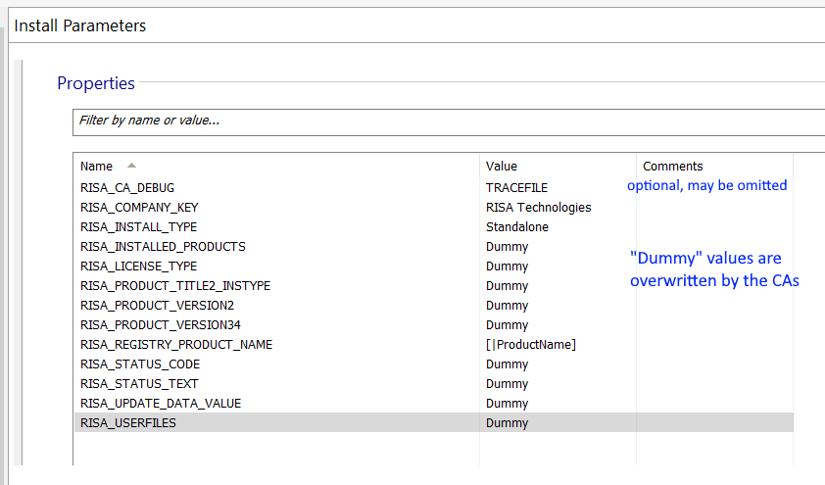
Start
 | In AI's Install Parameters screen, setup these properties -->

 |  | see | AI RISA Installer Properties.xlsx

 |  | in the Documentation directory
 |  | for details about each

Define CAs to AI
Add the InitProperties and RemoveInstalledProducts CustomActions

 | adding a Wix DTF custom action (at least one that's tied to a sequence) is detailed in AI's documentation:
 |  | https://www.advancedinstaller.com/user-guide/qa-tutorial-using-custom-actions.html

 | for both CAs, use the dialog below to integrate them into the installer via the "Call function from attached native DLL" choice:

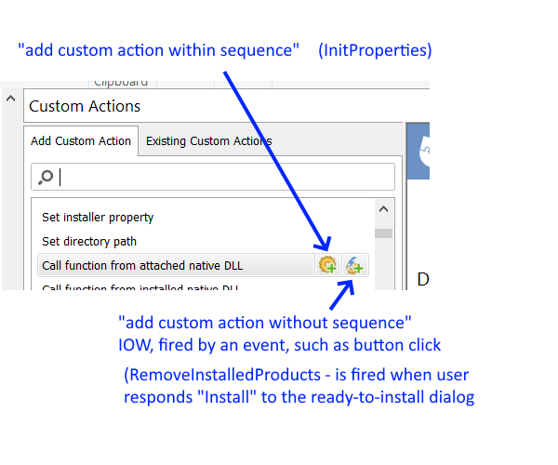

 |  |  | InitProperties appears in sequence, so the left button is used to define it

 |  |  | RemoveInstalledProducts appears in response to an event, so the right button is used

 | InitProperties should end up looking like this; similar renaming should be done for RemoveInstalledProducts

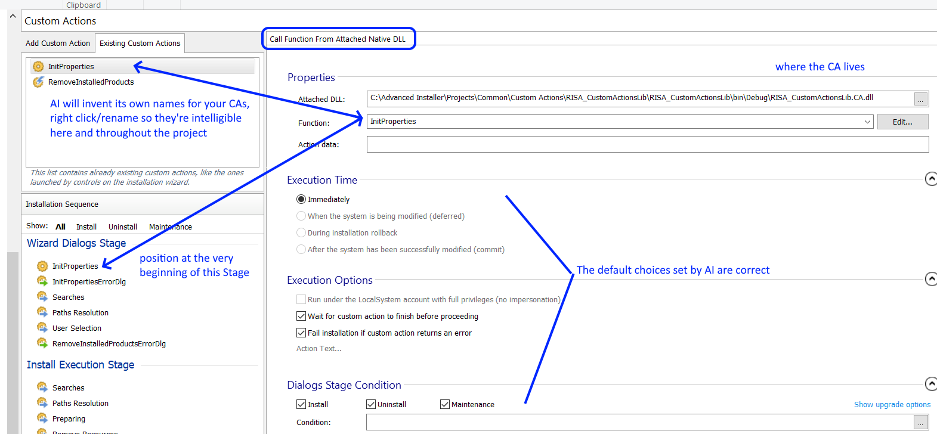

 | RemoveInstalledProducts - make sure the CA references the RemoveInstalledProducts function, in the right hand pane (should be able to select it from the dropdown)

InitProps err dlg
Create the error handling dialog to display RISA_STATUS_TEXT when problems are detected in the InitProperties CA

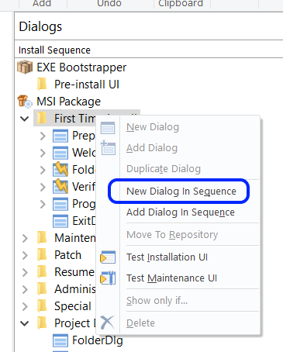

 |  | Add a New Dialog (in sequence)
 |  |  | rename it to "InitPropertiesErrorDlg" (the name is not important, just something clear)
 |  |  | make sure it's positioned as the first dialog under the "First Time Install" node

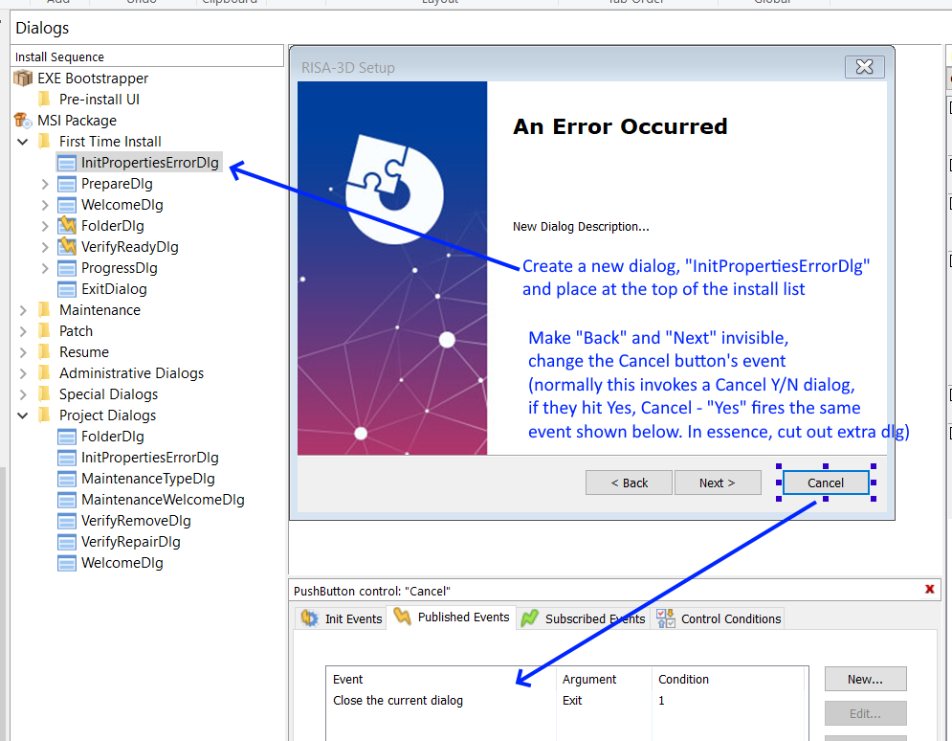

 |  |  |  | Change "New Dialog" title to
 |  |  |  | "An Error Occurred" or similar

 |  |  |  | <--The confusing verbiage explained:

 |  |  |  | When this dialog is created, AI also creates a
 |  |  |  |  | CancelDialog that's fired when user presses Cancel
 |  |  |  |  | This is just a Y/N confirmation, "are you sure?" (we are, and don't want the confirmation dlg)

 |  |  |  | We don't want to show this CancelDialog, instead we copy the event that its Yes-Cancel choice fires
 |  |  |  | and set the Cancel button to fire it, short circuiting the call to the confirmation dialog
 |  |  |  | AI sees this, and removes CancelDialog from the dialog tree, in the leftmost part of the picture

 |  |  |  | Getting the Cancel button to fire the correct event involves:
 |  |  |  |  | selecting the Cancel button as shown above
 |  |  |  |  | and selecting "Close the current dialog" from the choices

 | Change the "New Dialog Description" text box to instead display the contents of RISA_STATUS_TEXT

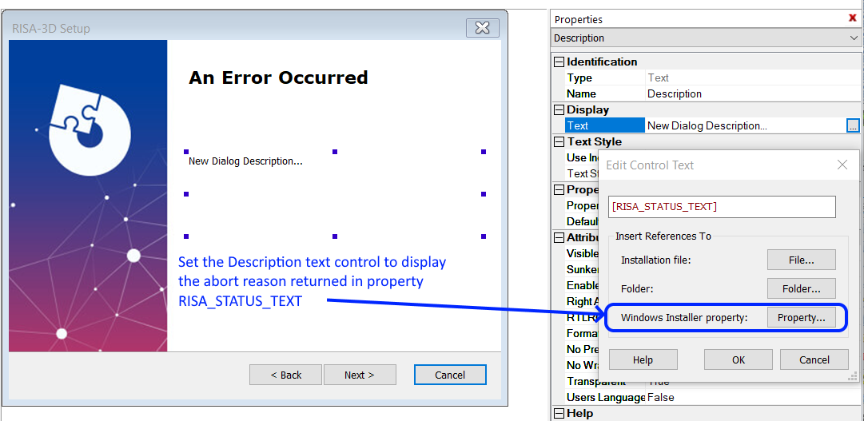

 | The Cancel button's text can be changed to "Exit" via a built-in property:
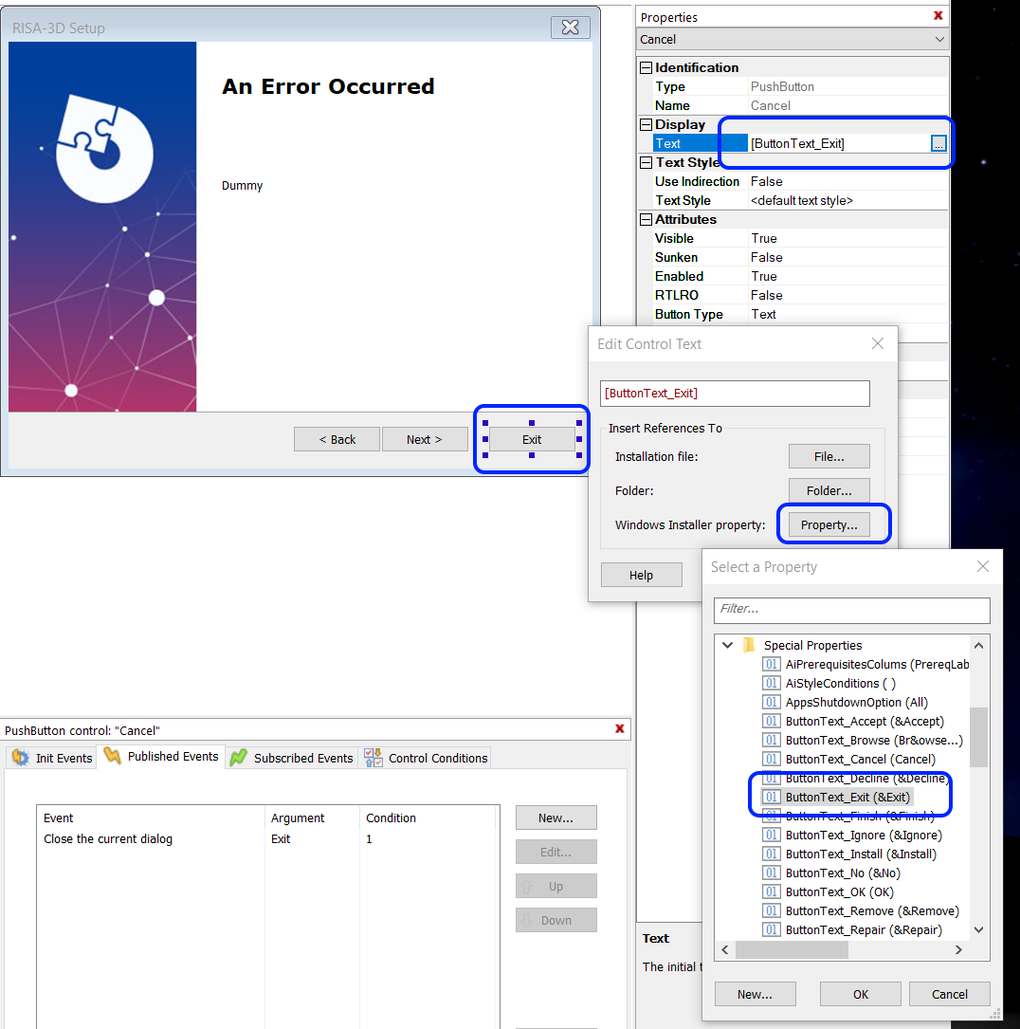

 |  |  |  |  | select the Cancel button (it was changed to display "Exit" on the button face)
 |  |  |  |  | choose a "Special Property" - ButtonText_Exit

RemoveInstalledErrDlg
Create the RemoveInstalledProductsErrDlg - it's identical to the one created for InitProperties, but take care where it's positioned in the sequence

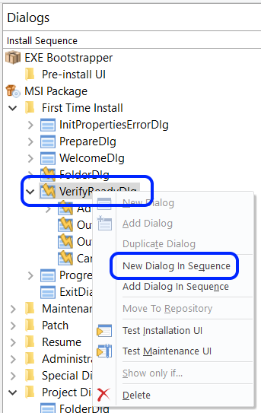

 |  |  | Change its name to RemoveInstalledProductsErrorDlg (name isn't important, just name it clearly)

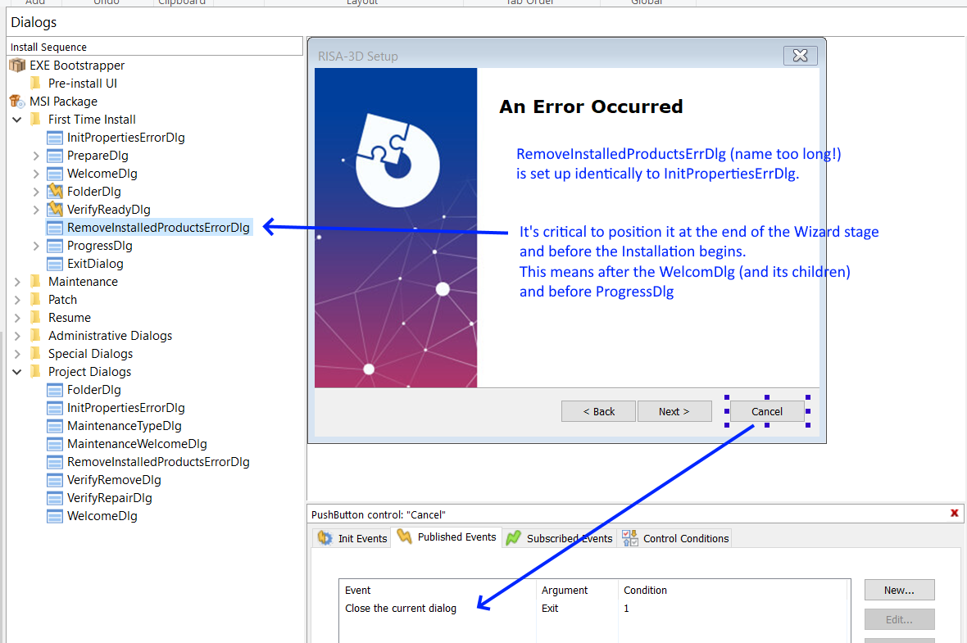

 |  |  | Finish customzing this dialog in the same fashion as InitPropsErrorDlg

 |  |  |  | set the dialog's:
 |  |  |  |  | Title control's Text to "An Error Occurred" or similar
 |  |  |  |  | Description control's Text to property [RISA_STATUS_TEXT]
 |  |  |  |  | Back and Next buttons to Visible = False
Hook up this dialog into the flow of events: |  |  |  |  | Cancel button's text to Special Property / ButtonText_Exit

 | set the dialog's:
 |  | Cancel button to publish event "Close the current dialog"

Hook up the RemoveInstalledProducts CA - recall that it is out of sequence and is triggered by an event - specified below
 | here we tell AI to call this CA when user presses "Install" on the "Ready to Install" dialog

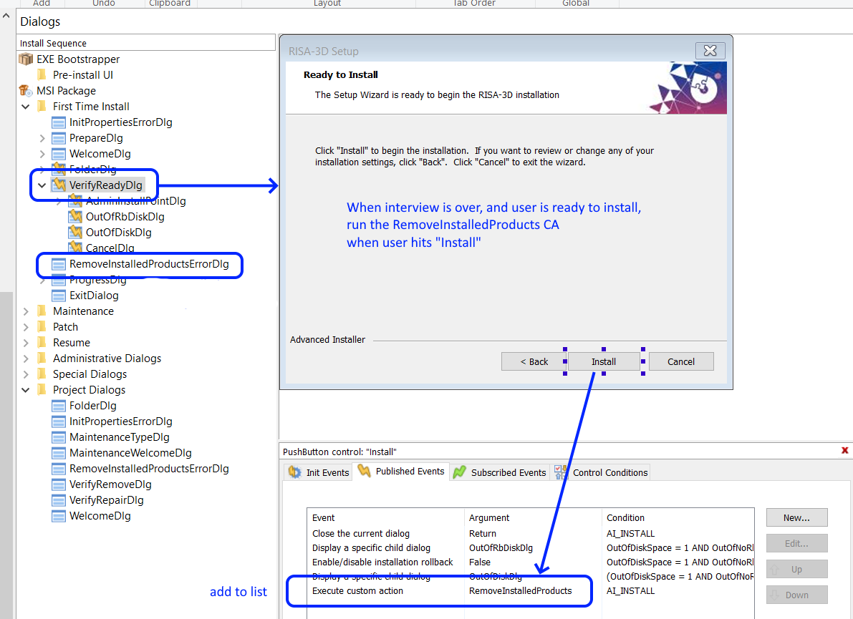

This will cause the RemoveInstalledProducts CA to run when user hits "Install"

When the CA has returned, its error handling dialog, RemoveInstalledProductsErrorDlg is shown, if there was an error. This condition is specified next.

Dialog sequence+conditions
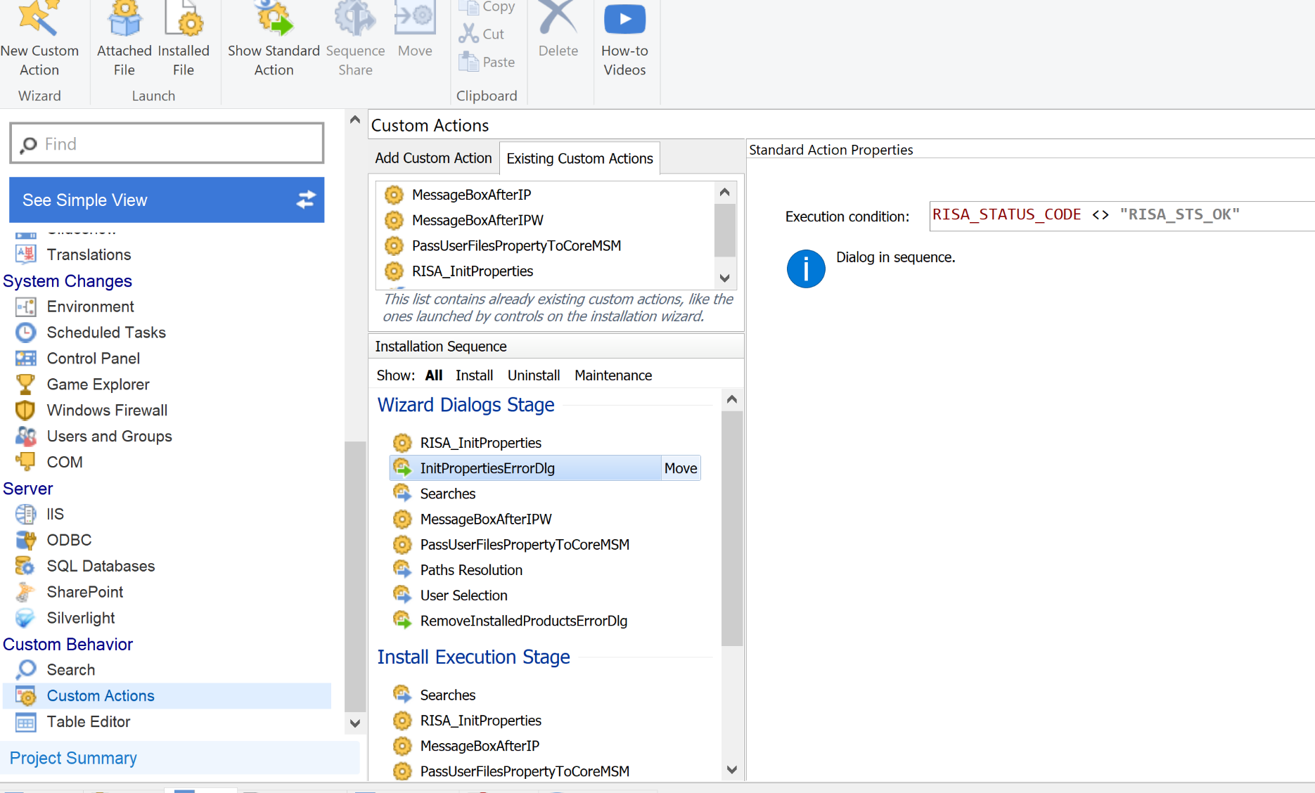
Goto the Table Editor and make final adjustments for both error dialogs

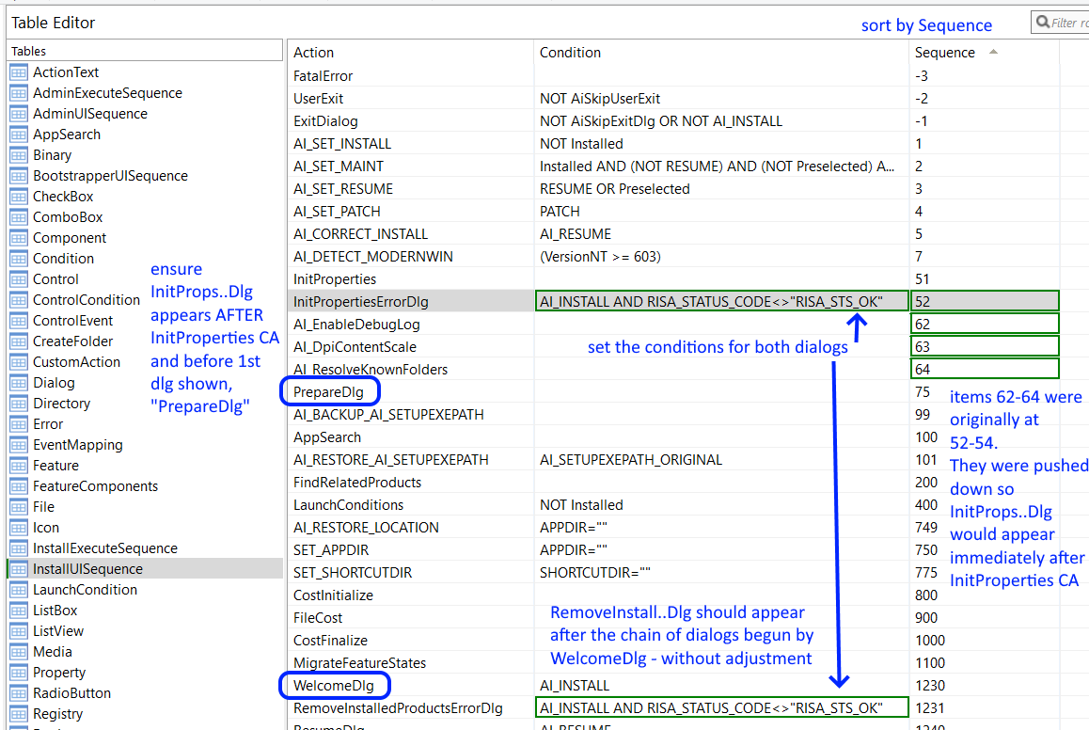

The above doesn't always work in real life. You can specify the condition in a panel adjacent to Custom Actions and Install Sequence:

